ReadMe
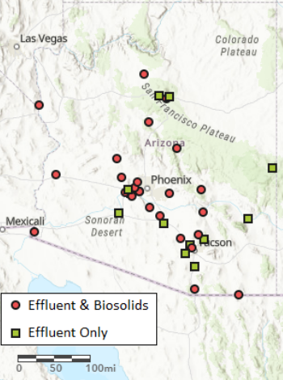
Arizona DEQ sampled effluent and biosolids for PFAS in a subset of wastewater treatment plants across the state. Effluent samples were collected from 39 facilities while biosolds were sampled from 25 of these locations. ADEQ did not complete a summary report for these samples but the data is summarized in this workbook. A static summary chart is also provided showing the frequency of PFAS detected in these samples.

Effluent Summary Chart
